2021 Indi 4a(v) Chart
 | FY2018
Georgia | 0%
Montana | 0%
New Hampshire | 0%
Wyoming | 0%
Arizona | 2%
South Dakota | 3%
District of Columbia | 3%
Nevada | 3%
Utah | 4%
Alabama | 4%
Mississippi | 4%
Delaware | 4%
Hawaii | 7%
Idaho | 9%
Texas | 12%
Connecticut | 13%
Arkansas | 15%
Kansas | 16%
Michigan | 17%
Oklahoma | 17%
Iowa | 19%
Louisiana | 20%
Maryland | 23%
Alaska | 24%
New Mexico | 31%
Ohio | 31%
Indiana | 33%
United States | 33%
New Jersey | 36%
Missouri | 36%
Nebraska | 36%
California | 38%
Florida | 39%
Massachusetts | 40%
South Carolina | 40%
North Carolina | 41%
Virginia | 44%
Tennessee | 44%
West Virginia | 50%
Maine | 51%
Illinois | 51%
Kentucky | 52%
Oregon | 52%
Rhode Island | 52%
Washington | 56%
North Dakota | 60%
New York | 60%
Colorado | 60%
Wisconsin | 64%
Pennsylvania | 67%
...

2021 Indi 4a(v)Data&Image
Equity Indicator 4a(v): State need-based grant recipients as a percentage of Pell Grant recipients by state: 2018

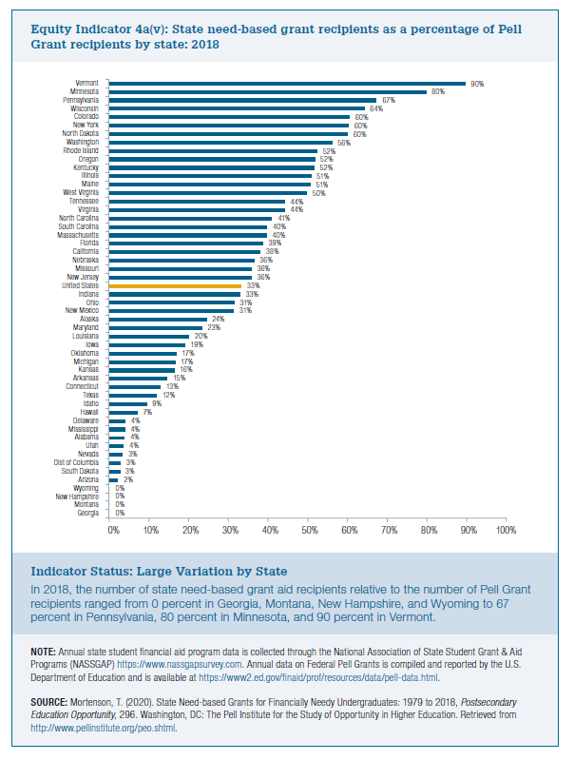
State | FY2018
Georgia | 0%
Montana | 0%
New Hampshire | 0%
Wyoming | 0%
Arizona | 2%
South Dakota | 3%
District of Columbia | 3%
Nevada | 3%
Utah | 4%
Alabama | 4%
Mississippi | 4%
Delaware | 4%
Hawaii | 7%
Idaho | 9%
Texas | 12%
Connecticut | 13%
Arkansas | 15%
Kansas | 16%
Michigan | 17%
Oklahoma | 17%
Iowa | 19%
Louisiana | 20%
Maryland | 23%
Alaska | 24%
New Mexico | 31%
Ohio | 31%
Indiana | 33%
United States | 33%
New Jersey | 36%
Missouri | 36%
Nebraska | 36%
California | 38%
Florida | 39%
Massachusetts | 40%
South Carolina | 40%
North Carolina | 41%
Virginia | 44%
Tennessee | 44%
West Virginia | 50%
Maine | 51%
Illinois | 51%
Kentucky | 52%
Oregon | 52%
Rhode Island | 52%
Washington | 56%
North Dakota | 60%
New York | 60%
Colorado | 60%
Wisconsin | 64%
Pennsylvania | 67%
Minnesota | 80%
Vermont | 90%

