2022 Indi 4a(iii) Data&Image
Equity Indicator 4a(iii): Distribution of state appropriations by function: 1959-2020

 | 1959 | 1960 | 1961 | 1962 | 1963 | 1964 | 1965 | 1966 | 1967 | 1968 | 1969 | 1970 | 1971 | 1972 | 1973 | 1974 | 1975 | 1976 | 1977 | 1978 | 1979 | 1980 | 1981 | 1982 | 1983 | 1984 | 1985 | 1986 | 1987 | 1988 | 1989 | 1990 | 1991 | 1992 | 1993 | 1994 | 1995 | 1996 | 1997 | 1998 | 1999 | 2000 | 2001 | 2002 | 2003 | 2004 | 2005 | 2006 | 2007 | 2008 | 2009 | 2010 | 2011 | 2012 | 2013 | 2014 | 2015 | 2016 | 2017 | 2018 | 2019 | 2020
Elementary and Secondary Education | 31% | 31% | 32% | 32% | 33% | 33% | 33% | 34% | 33% | 32% | 31% | 31% | 31% | 30% | 29% | 29% | 28% | 28% | 28% | 28% | 28% | 27% | 27% | 26% | 26% | 26% | 26% | 26% | 27% | 27% | 27% | 27% | 26% | 25% | 25% | 25% | 25% | 26% | 26% | 27% | 27% | 27% | 26% | 26% | 26% | 26% | 26% | 26% | 26% | 26% | 25% | 25% | 25% | 24% | 25% | 24% | 24% | 24% | 24% | 24% | 24% | 24%
Health | 8% | 8% | 8% | 8% | 8% | 8% | 8% | 9% | 9% | 10% | 10% | 10% | 10% | 10% | 11% | 11% | 11% | 11% | 11% | 11% | 12% | 12% | 12% | 12% | 12% | 12% | 12% | 12% | 12% | 12% | 13% | 14% | 16% | 17% | 17% | 17% | 17% | 18% | 17% | 17% | 17% | 18% | 18% | 19% | 19% | 20% | 20% | 19% | 19% | 20% | 20% | 21% | 21% | 21% | 21% | 23% | 24% | 24% | 24% | 24% | 24% | 25%
General Public Service | 16% | 16% | 16% | 17% | 17% | 17% | 17% | 17% | 17% | 17% | 17% | 17% | 18% | 18% | 19% | 20% | 20% | 20% | 21% | 21% | 21% | 21% | 21% | 22% | 23% | 23% | 23% | 23% | 23% | 22% | 22% | 21% | 21% | 21% | 20% | 20% | 20% | 19% | 19% | 18% | 18% | 17% | 17% | 18% | 19% | 18% | 18% | 18% | 18% | 17% | 20% | 19% | 19% | 19% | 19% | 18% | 17% | 17% | 18% | 17% | 17% | 17%
Public Order and Safety | 10% | 11% | 10% | 10% | 10% | 10% | 10% | 9% | 9% | 10% | 9% | 9% | 9% | 9% | 9% | 9% | 9% | 9% | 9% | 9% | 9% | 9% | 10% | 10% | 10% | 10% | 10% | 10% | 11% | 11% | 11% | 11% | 11% | 11% | 12% | 12% | 12% | 12% | 13% | 13% | 13% | 13% | 13% | 13% | 12% | 13% | 13% | 13% | 13% | 13% | 12% | 12% | 12% | 12% | 12% | 12% | 12% | 12% | 12% | 12% | 12% | 12%
Economic Affairs | 15% | 15% | 15% | 14% | 14% | 14% | 14% | 13% | 13% | 12% | 12% | 11% | 11% | 10% | 10% | 11% | 11% | 11% | 10% | 11% | 11% | 11% | 11% | 11% | 10% | 10% | 10% | 9% | 9% | 9% | 9% | 9% | 8% | 8% | 8% | 8% | 8% | 8% | 8% | 8% | 8% | 8% | 8% | 8% | 7% | 7% | 7% | 8% | 8% | 8% | 7% | 7% | 7% | 7% | 7% | 7% | 7% | 7% | 7% | 7% | 7% | 8%
Income Security | 11% | 11% | 11% | 10% | 10% | 10% | 10% | 10% | 10% | 10% | 10% | 11% | 11% | 11% | 11% | 9% | 9% | 10% | 10% | 9% | 9% | 10% | 9% | 9% | 9% | 9% | 9% | 9% | 9% | 9% | 9% | 9% | 9% | 9% | 9% | 9% | 9% | 8% | 8% | 8% | 8% | 8% | 8% | 8% | 8% | 8% | 8% | 7% | 7% | 7% | 7% | 7% | 7% | 6% | 6% | 6% | 6% | 6% | 6% | 6% | 6% | 6%
Higher Education | 4% | 4% | 4% | 4% | 4% | 4% | 4% | 4% | 5% | 5% | 5% | 6% | 6% | 6% | 6% | 6% | 6% | 6% | 6% | 6% | 6% | 6% | 6% | 6% | 6% | 6% | 6% | 6% | 6% | 6% | 6% | 6% | 5% | 5% | 5% | 5% | 5% | 5% | 5% | 5% | 5% | 5% | 5% | 5% | 4% | 4% | 4% | 5% | 5% | 5% | 5% | 5% | 5% | 6% | 6% | 6% | 6% | 6% | 6% | 6% | 6% | 6%
Recreation and Culture | 2% | 1% | 2% | 1% | 2% | 1% | 1% | 1% | 1% | 1% | 1% | 1% | 1% | 1% | 1% | 1% | 1% | 1% | 1% | 1% | 1% | 1% | 1% | 1% | 1% | 1% | 1% | 1% | 1% | 1% | 1% | 1% | 1% | 1% | 1% | 1% | 1% | 1% | 1% | 1% | 1% | 1% | 1% | 1% | 1% | 1% | 1% | 1% | 1% | 1% | 1% | 1% | 1% | 1% | 1% | 1% | 1% | 1% | 1% | 1% | 1% | 1%
Housing and Community Services | 2% | 1% | 1% | 1% | 1% | 1% | 1% | 1% | 1% | 1% | 1% | 1% | 1% | 1% | 1% | 1% | 1% | 1% | 1% | 1% | 1% | 1% | 1% | 1% | 1% | 1% | 1% | 1% | 1% | 1% | 1% | 1% | 1% | 1% | 1% | 1% | 1% | 1% | 1% | 1% | 1% | 1% | 1% | 1% | 1% | 1% | 1% | 0% | 1% | 1% | 0% | 0% | 0% | 0% | 0% | 0% | 0% | 0% | 0% | 0% | 0% | 0.3%
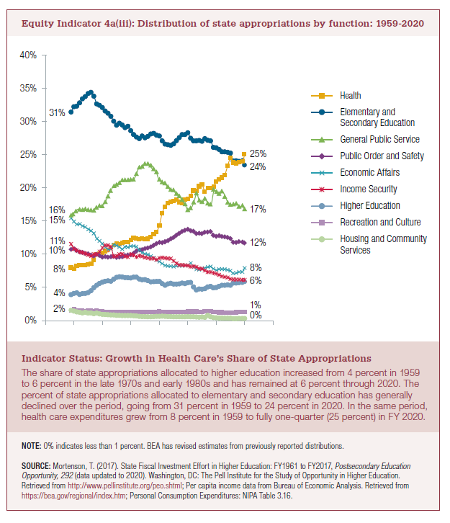

 |  |  |  |  |  |  |  |  |  |  |  |  |  |  |  |  |  |  |  |  |  |  |  |  |  |  |  |  |  |  |  |  |  |  |  |  |  |  |  |  |  |  |  |  |  |  |  |  |  |  |  |  |  |  |  |  |  |  | -3%

2022 Indi 4a(iii) Chart
 | Elementary and Secondary Education | Health | General Public Service | Public Order and Safety | Economic Affairs | Income Security | Higher Education | Recreation and Culture | Housing and Community Services
1959 | 31% | 8% | 16% | 10% | 15% | 11% | 4% | 2% | 2%
1960 | 31% | 8% | 16% | 11% | 15% | 11% | 4% | 1% | 1%
1961 | 32% | 8% | 16% | 10% | 15% | 11% | 4% | 2% | 1%
1962 | 32% | 8% | 17% | 10% | 14% | 10% | 4% | 1% | 1%
1963 | 33% | 8% | 17% | 10% | 14% | 10% | 4% | 2% | 1%
1964 | 33% | 8% | 17% | 10% | 14% | 10% | 4% | 1% | 1%
1965 | 33% | 8% | 17% | 10% | 14% | 10% | 4% | 1% | 1%
1966 | 34% | 9% | 17% | 9% | 13% | 10% | 4% | 1% | 1%
1967 | 33% | 9% | 17% | 9% | 13% | 10% | 5% | 1% | 1%
1968 | 32% | 10% | 17% | 10% | 12% | 10% | 5% | 1% | 1%
1969 | 31% | 10% | 17% | 9% | 12% | 10% | 5% | 1% | 1%
1970 | 31% | 10% | 17% | 9% | 11% | 11% | 6% | 1% | 1%
1971 | 31% | 10% | 18% | 9% | 11% | 11% | 6% | 1% | 1%
1972 | 30% | 10% | 18% | 9% | 10% | 11% | 6% | 1% | 1%
1973 | 29% | 11% | 19% | 9% | 10% | 11% | 6% | 1% | 1%
1974 | 29% | 11% | 20% | 9% | 11% | 9% | 6% | 1% | 1%
1975 | 28% | 11% | 20% | 9% | 11% | 9% | 6% | 1% | 1%
1976 | 28% | 11% | 20% | 9% | 11% | 10% | 6% | 1% | 1%
1977 | 28% | 11% | 21% | 9% | 10% | 10% | 6% | 1% | 1%
1978 | 28% | 11% | 21% | 9% | 11% | 9% | 6% | 1% | 1%
1979 | 28% | 12% | 21% | 9% | 11% | 9% | 6% | 1% | 1%
1980 | 27% | 12% | 21% | 9% | 11% | 10% | 6% | 1% | 1%
1981 | 27% | 12% | 21% | 10% | 11% | 9% | 6% | 1% | 1%
1982 | 26% | 12% | 22% | 10% | 11% | 9% | 6% | 1% | 1%
1983 | 26% | 12% | 23% | 10% | 10% | 9% | 6% | 1% | 1%
1984 | 26% | 12% | 23% | 10% | 10% | 9% | 6% | 1% | 1%
1985 | 26% | 12% | 23% | 10% | 10% | 9% | 6% | 1% | 1%
1986 | 26% | 12% | 23% | 10% | 9% | 9% | 6% | 1% | 1%
1987 | 27% | 12% | 23% | 11% | 9% | 9% | 6% | 1% | 1%
1988 | 27% | 12% | 22% | 11% | 9% | 9% | 6% | 1% | 1%
1989 | 27% | 13% | 22% | 11% | 9% | 9% | 6% | 1% | 1%
1990 | 27% | 14% | 21% | 11% | 9% | 9% | 6% | 1% | 1%
1991 | 26% | 16% | 21% | 11% | 8% | 9% | 5% | 1% | 1%
1992 | 25% | 17% | 21% | 11% | 8% | 9% | 5% | 1% | 1%
1993 | 25% | 17% | 20% | 12% | 8% | 9% | 5% | 1% | 1%
1994 | 25% | 17% | 20% | 12% | 8% | 9% | 5% | 1% | 1%
1995 | 25% | 17% | 20% | 12% | 8% | 9% | 5% | 1% | 1%
1996 | 26% | 18% | 19% | 12% | 8% | 8% | 5% | 1% | 1%
1997 | 26% | 17% | 19% | 13% | 8% | 8% | 5% | 1% | 1%
1998 | 27% | 17% | 18% | 13% | 8% | 8% | 5% | 1% | 1%
1999 | 27% | 17% | 18% | 13% | 8% | 8% | 5% | 1% | 1%
2000 | 27% | 18% | 17% | 13% | 8% | 8% | 5% | 1% | 1%
2001 | 26% | 18% | 17% | 13% | 8% | 8% | 5% | 1% | 1%
2002 | 26% | 19% | 18% | 13% | 8% | 8% | 5% | 1% | 1%
2003 | 26% | 19% | 19% | 12% | 7% | 8% | 4% | 1% | 1%
2004 | 26% | 20% | 18% | 13% | 7% | 8% | 4% | 1% | 1%
2005 | 26% | 20% | 18% | 13% | 7% | 8% | 4% | 1% | 1%
2006 | 26% | 19% | 18% | 13% | 8% | 7% | 5% | 1% | 0%
2007 | 26% | 19% | 18% | 13% | 8% | 7% | 5% | 1% | 1%
2008 | 26% | 20% | 17% | 13% | 8% | 7% | 5% | 1% | 1%
...

