2021 Indi 4a(ii) Chart
1961 | $3.56
1962 | $4.11
1963 | $4.36
1964 | $4.73
1965 | $5.04
1966 | $5.88
1967 | $6.31
1968 | $7.26
1969 | $7.75
1970 | $8.66
1971 | $8.85
1972 | $9.06
1973 | $9.23
1974 | $9.69
1975 | $10.00
1976 | $10.35
1977 | $10.22
1978 | $10.37
1979 | $10.39
1980 | $10.34
1981 | $10.16
1982 | $9.98
1983 | $9.39
1984 | $9.34
1985 | $9.68
1986 | $9.35
1987 | $9.24
1988 | $9.28
1989 | $9.28
1990 | $9.22
1991 | $8.67
1992 | $8.21
1993 | $7.86
1994 | $7.62
1995 | $7.61
1996 | $7.50
1997 | $7.45
1998 | $7.45
1999 | $7.48
2000 | $7.50
2001 | $7.60
2002 | $7.27
2003 | $6.96
2004 | $6.65
2005 | $6.67
2006 | $6.67
2007 | $6.89
2008 | $6.86
2009 | $6.56
2010 | $6.34
...

2021 Ind 4a(ii) Data & Image
Equity Indicator 4a(ii): State fiscal support for higher education per $1000 of personal income: FY1961 to FY2020

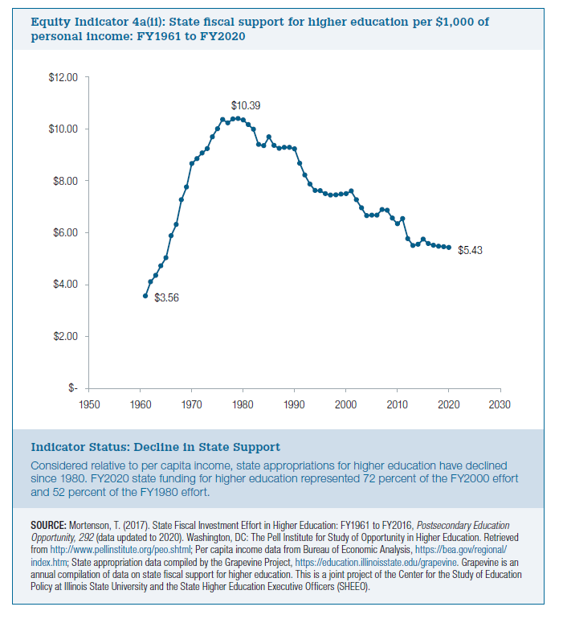
Fiscal Year
1961 | $3.56
1962 | $4.11
1963 | $4.36
1964 | $4.73
1965 | $5.04
1966 | $5.88
1967 | $6.31
1968 | $7.26
1969 | $7.75
1970 | $8.66
1971 | $8.85
1972 | $9.06
1973 | $9.23
1974 | $9.69
1975 | $10.00
1976 | $10.35
1977 | $10.22
1978 | $10.37
1979 | $10.39
1980 | $10.34
1981 | $10.16
1982 | $9.98
1983 | $9.39
1984 | $9.34
1985 | $9.68
1986 | $9.35
1987 | $9.24
1988 | $9.28
1989 | $9.28
1990 | $9.22
1991 | $8.67
1992 | $8.21
1993 | $7.86
1994 | $7.62
1995 | $7.61
1996 | $7.50
1997 | $7.45
1998 | $7.45
1999 | $7.48
2000 | $7.50
2001 | $7.60
2002 | $7.27
2003 | $6.96
2004 | $6.65
2005 | $6.67
2006 | $6.67
2007 | $6.89
2008 | $6.86
2009 | $6.56
2010 | $6.34
2011 | $6.54
2012 | $5.77
2013 | $5.51
2014 | $5.55
2015 | $5.75
2016 | $5.58
2017 | $5.51
2018 | $5.48
2019 | $5.46
2020 | $5.43

