2021 Indi 4a(i) Chart
 | Personal Consumption Expenditures | State/Local Expenditures | Federal Government Expenditures
1952 | 50% | 50% | 0%
1953 | 53% | 47% | 0%
1954 | 53% | 47% | 0%
1955 | 53% | 47% | 0%
1956 | 53% | 47% | 0%
1957 | 50% | 50% | 0%
1958 | 50% | 50% | 0%
1959 | 50% | 50% | 0%
1960 | 44% | 50% | 6%
1961 | 44% | 50% | 6%
1962 | 45% | 48% | 8%
1963 | 45% | 48% | 7%
1964 | 47% | 47% | 6%
1965 | 47% | 44% | 9%
1966 | 46% | 44% | 10%
1967 | 42% | 45% | 13%
1968 | 41% | 49% | 10%
1969 | 42% | 50% | 8%
1970 | 40% | 50% | 9%
1971 | 40% | 52% | 9%
1972 | 40% | 52% | 8%
1973 | 40% | 53% | 7%
1974 | 38% | 56% | 6%
1975 | 35% | 58% | 8%
1976 | 34% | 56% | 10%
1977 | 33% | 56% | 10%
1978 | 34% | 56% | 10%
1979 | 33% | 55% | 12%
1980 | 33% | 53% | 14%
1981 | 33% | 52% | 15%
1982 | 35% | 53% | 12%
1983 | 36% | 51% | 13%
1984 | 37% | 51% | 12%
1985 | 37% | 51% | 12%
1986 | 38% | 51% | 11%
1987 | 39% | 50% | 10%
1988 | 40% | 50% | 11%
1989 | 39% | 49% | 12%
1990 | 40% | 49% | 11%
1991 | 41% | 48% | 10%
1992 | 43% | 47% | 10%
1993 | 42% | 47% | 11%
1994 | 43% | 47% | 10%
1995 | 44% | 46% | 10%
1996 | 45% | 45% | 9%
1997 | 46% | 45% | 9%
1998 | 46% | 44% | 11%
1999 | 46% | 43% | 11%
2000 | 46% | 44% | 10%
2001 | 46% | 44% | 10%
...

2021 Ind 4a(i) Data & Image
Equity Indicator 4a(i): Percentage distribution of higher education funding responsibilities: 1952 to 2019

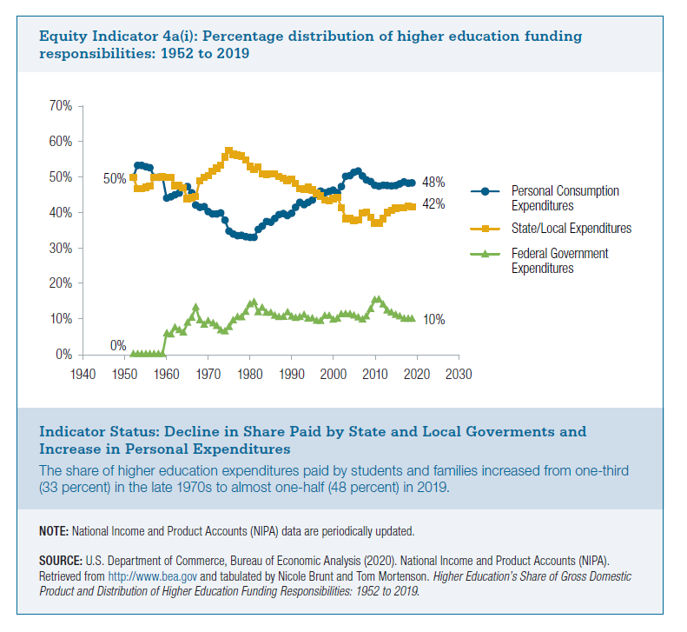
Year | Personal Consumption Expenditures | State/Local Expenditures | Federal Government Expenditures
1952 | 50% | 50% | 0%
1953 | 53% | 47% | 0%
1954 | 53% | 47% | 0%
1955 | 53% | 47% | 0%
1956 | 53% | 47% | 0%
1957 | 50% | 50% | 0%
1958 | 50% | 50% | 0%
1959 | 50% | 50% | 0%
1960 | 44% | 50% | 6%
1961 | 44% | 50% | 6%
1962 | 45% | 48% | 8%
1963 | 45% | 48% | 7%
1964 | 47% | 47% | 6%
1965 | 47% | 44% | 9%
1966 | 46% | 44% | 10%
1967 | 42% | 45% | 13%
1968 | 41% | 49% | 10%
1969 | 42% | 50% | 8%
1970 | 40% | 50% | 9%
1971 | 40% | 52% | 9%
1972 | 40% | 52% | 8%
1973 | 40% | 53% | 7%
1974 | 38% | 56% | 6%
1975 | 35% | 58% | 8%
1976 | 34% | 56% | 10%
1977 | 33% | 56% | 10%
1978 | 34% | 56% | 10%
1979 | 33% | 55% | 12%
1980 | 33% | 53% | 14%
1981 | 33% | 52% | 15%
1982 | 35% | 53% | 12%
1983 | 36% | 51% | 13%
1984 | 37% | 51% | 12%
1985 | 37% | 51% | 12%
1986 | 38% | 51% | 11%
1987 | 39% | 50% | 10%
1988 | 40% | 50% | 11%
1989 | 39% | 49% | 12%
1990 | 40% | 49% | 11%
1991 | 41% | 48% | 10%
1992 | 43% | 47% | 10%
1993 | 42% | 47% | 11%
1994 | 43% | 47% | 10%
1995 | 44% | 46% | 10%
1996 | 45% | 45% | 9%
1997 | 46% | 45% | 9%
1998 | 46% | 44% | 11%
1999 | 46% | 43% | 11%
2000 | 46% | 44% | 10%
2001 | 46% | 44% | 10%
2002 | 47% | 41% | 11%
2003 | 50% | 38% | 11%
2004 | 50% | 38% | 11%
2005 | 51% | 38% | 11%
2006 | 52% | 38% | 10%
2007 | 50% | 40% | 10%
2008 | 49% | 40% | 11%
2009 | 49% | 39% | 13%
2010 | 48% | 37% | 15%
2011 | 47% | 37% | 15%
2012 | 48% | 38% | 14%
2013 | 48% | 40% | 12%
2014 | 48% | 41% | 12%
2015 | 48% | 41% | 11%
2016 | 48% | 41% | 11%
2017 | 48% | 42% | 10%
2018 | 47% | 43% | 10%
2019 | 48% | 42% | 10%

