2021 App Figure A-9
Appendix Figure A-9: Historical characteristics of Federal TRIO programs, Education Opportunity Centers (EOC): 1997-2020

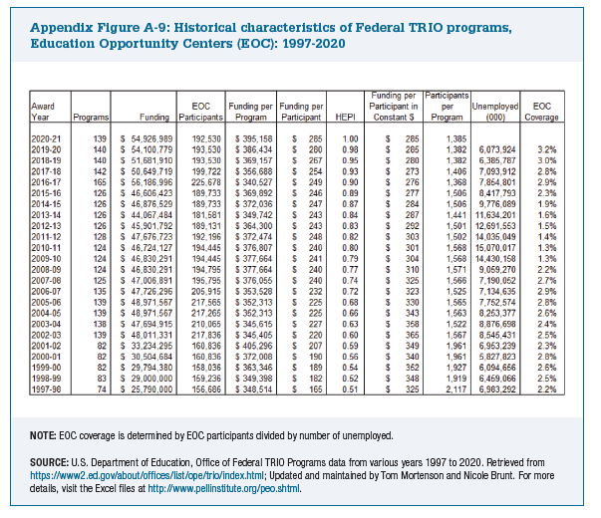
Award Year | Programs | Funding | EOC Participants | Funding per Program | Funding per Participant | HEPI | Funding per Participant in Constant $ | Participants per Program | Unemployed (000) | EOC Coverage

2020-21 | 139 | $54,926,989 | 192,530 | $395,158 | $285 | 1.00 | $285 | 1,385
2019-20 | 140 | $54,100,779 | 193,530 | $386,434 | $280 | 0.98 | $285 | 1,382 | 6,073,924 | 3.2%
2018-19 | 140 | $51,681,910 | 193,530 | $369,157 | $267 | 0.95 | $280 | 1,382 | 6,385,787 | 3.0%
2017-18 | 142 | $50,649,719 | 199,722 | $356,688 | $254 | 0.93 | $273 | 1,406 | 7,093,912 | 2.8%
2016-17 | 165 | $56,186,996 | 225,678 | $340,527 | $249 | 0.90 | $276 | 1,368 | 7,854,801 | 2.9%
2015-16 | 126 | $46,606,423 | 189,733 | $369,892 | $246 | 0.89 | $277 | 1,506 | 8,417,793 | 2.3%
2014-15 | 126 | $46,876,529 | 189,733 | $372,036 | $247 | 0.87 | $284 | 1,506 | 9,776,089 | 1.9%
2013-14 | 126 | $44,067,484 | 181,581 | $349,742 | $243 | 0.84 | $287 | 1,441 | 11,634,201 | 1.6%
2012-13 | 126 | $45,901,792 | 189,131 | $364,300 | $243 | 0.83 | $292 | 1,501 | 12,691,553 | 1.5%
2011-12 | 128 | $47,676,723 | 192,196 | $372,474 | $248 | 0.82 | $303 | 1,502 | 14,035,049 | 1.4%
2010-11 | 124 | $46,724,127 | 194,445 | $376,807 | $240 | 0.80 | $301 | 1,568 | 15,070,017 | 1.3%
2009-10 | 124 | $46,830,291 | 194,445 | $377,664 | $241 | 0.79 | $304 | 1,568 | 14,430,158 | 1.3%
2008-09 | 124 | $46,830,291 | 194,795 | $377,664 | $240 | 0.77 | $310 | 1,571 | 9,059,270 | 2.2%
2007-08 | 125 | $47,006,891 | 195,795 | $376,055 | $240 | 0.74 | $325 | 1,566 | 7,190,052 | 2.7%
2006-07 | 135 | $47,726,296 | 205,915 | $353,528 | $232 | 0.72 | $323 | 1,525 | 7,134,635 | 2.9%
2005-06 | 139 | $48,971,567 | 217,565 | $352,313 | $225 | 0.68 | $330 | 1,565 | 7,752,574 | 2.8%
2004-05 | 139 | $48,971,567 | 217,265 | $352,313 | $225 | 0.66 | $343 | 1,563 | 8,253,377 | 2.6%
2003-04 | 138 | $47,694,915 | 210,065 | $345,615 | $227 | 0.63 | $358 | 1,522 | 8,876,698 | 2.4%
2002-03 | 139 | $48,011,331 | 217,836 | $345,405 | $220 | 0.60 | $365 | 1,567 | 8,545,431 | 2.5%
2001-02 | 82 | $33,234,295 | 160,836 | $405,296 | $207 | 0.59 | $349 | 1,961 | 6,953,239 | 2.3%
2000-01 | 82 | $30,504,684 | 160,836 | $372,008 | $190 | 0.56 | $340 | 1,961 | 5,827,823 | 2.8%
1999-00 | 82 | $29,794,380 | 158,036 | $363,346 | $189 | 0.54 | $352 | 1,927 | 6,094,656 | 2.6%
1998-99 | 83 | $29,000,000 | 159,236 | $349,398 | $182 | 0.52 | $348 | 1,919 | 6,459,066 | 2.5%
1997-98 | 74 | $25,790,000 | 156,686 | $348,514 | $165 | 0.51 | $325 | 2,117 | 6,983,292 | 2.2%

