2021 Appen Fig A-8 Chart
 | Fourth (Highest) Income Quartile | Third Income Quartile | Second Income Quartile | First (Lowest) Income Quartile
1970 | 55% | 26% | 23% | 22%
1971 | 56% | 27% | 22% | 22%
1972 | 55% | 31% | 24% | 22%
1973 | 53% | 36% | 23% | 22%
1974 | 53% | 37% | 22% | 21%
1975 | 55% | 35% | 21% | 24%
1976 | 54% | 30% | 21% | 24%
1977 | 52% | 32% | 22% | 25%
1978 | 51% | 33% | 22% | 24%
1979 | 50% | 35% | 22% | 23%
1980 | 53% | 37% | 24% | 24%
1981 | 60% | 38% | 22% | 24%
1982 | 66% | 39% | 23% | 24%
1983 | 69% | 39% | 23% | 26%
1984 | 74% | 39% | 26% | 25%
1985 | 79% | 39% | 25% | 25%
1986 | 78% | 38% | 26% | 19%
1987 | 77% | 41% | 25% | 17%
1988 | 72% | 44% | 26% | 19%
1989 | 76% | 43% | 25% | 25%
1990 | 76% | 40% | 26% | 23%
1991 | 76% | 37% | 27% | 19%
1992 | 72% | 37% | 27% | 16%
1993 | 67% | 40% | 27% | 19%
1994 | 66% | 41% | 27% | 19%
1995 | 66% | 40% | 29% | 17%
1996 | 60% | 35% | 31% | 15%
1997 | 57% | 35% | 27% | 16%
1998 | 52% | 36% | 27% | 19%
1999 | 51% | 38% | 25% | 18%
2000 | 48% | 37% | 25% | 16%
2001 | 46% | 39% | 25% | 14%
2002 | 59% | 40% | 23% | 16%
2003 | 64% | 43% | 27% | 21%
2004 | 65% | 41% | 28% | 23%
2005 | 57% | 45% | 33% | 23%
2006 | 57% | 46% | 33% | 22%
2007 | 59% | 51% | 33% | 19%
2008 | 61% | 52% | 31% | 18%
2009 | 60% | 53% | 29% | 18%
2010 | 57% | 50% | 29% | 18%
2011 | 57% | 50% | 30% | 18%
2012 | 61% | 50% | 31% | 17%
2013 | 69% | 53% | 33% | 20%
2014 | 72% | 52% | 33% | 24%
2015 | 75% | 57% | 34% | 25%
2016 | 77% | 63% | 35% | 28%
2017 | 81% | 66% | 35% | 27%
2018 | 81% | 63% | 37% | 29%
2019 | 80% | 58% | 37% | 27%

2021 Appen Fig A-8 Data & Image
Appendix Figure A-8: Estimates of bachelor’s degree attainment by age 24 for dependent family members who began college by family income quartile: 1970 to 2019
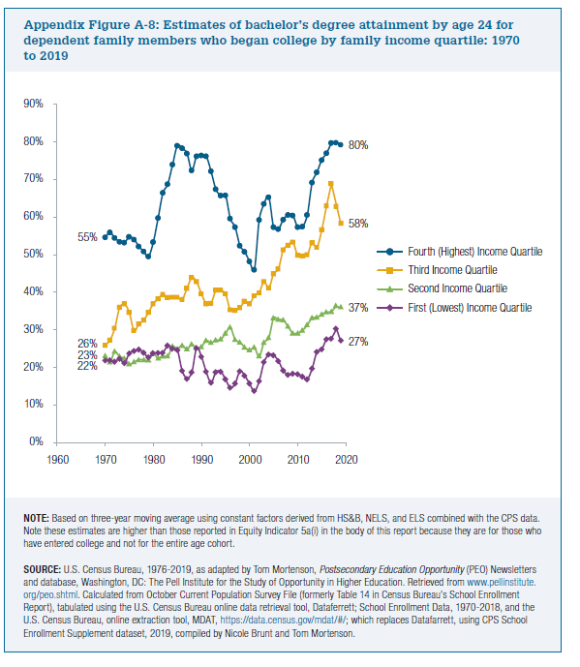
 | Fourth (Highest) Income Quartile | Third Income Quartile | Second Income Quartile | First (Lowest) Income Quartile
1970 | 55% | 26% | 23% | 22%
1971 | 56% | 27% | 22% | 22%
1972 | 55% | 31% | 24% | 22%
1973 | 53% | 36% | 23% | 22%
1974 | 53% | 37% | 22% | 21%
1975 | 55% | 35% | 21% | 24%
1976 | 54% | 30% | 21% | 24%
1977 | 52% | 32% | 22% | 25%
1978 | 51% | 33% | 22% | 24%
1979 | 50% | 35% | 22% | 23%
1980 | 53% | 37% | 24% | 24%
1981 | 60% | 38% | 22% | 24%
1982 | 66% | 39% | 23% | 24%
1983 | 69% | 39% | 23% | 26%
1984 | 74% | 39% | 26% | 25%
1985 | 79% | 39% | 25% | 25%
1986 | 78% | 38% | 26% | 19%
1987 | 77% | 41% | 25% | 17%
1988 | 72% | 44% | 26% | 19%
1989 | 76% | 43% | 25% | 25%
1990 | 76% | 40% | 26% | 23%
1991 | 76% | 37% | 27% | 19%
1992 | 72% | 37% | 27% | 16%
1993 | 67% | 40% | 27% | 19%
1994 | 66% | 41% | 27% | 19%
1995 | 66% | 40% | 29% | 17%
1996 | 60% | 35% | 31% | 15%
1997 | 57% | 35% | 27% | 16%
1998 | 52% | 36% | 27% | 19%
1999 | 51% | 38% | 25% | 18%
2000 | 48% | 37% | 25% | 16%
2001 | 46% | 39% | 25% | 14%
2002 | 59% | 40% | 23% | 16%
2003 | 64% | 43% | 27% | 21%
2004 | 65% | 41% | 28% | 23%
2005 | 57% | 45% | 33% | 23%
2006 | 57% | 46% | 33% | 22%
2007 | 59% | 51% | 33% | 19%
2008 | 61% | 52% | 31% | 18%
2009 | 60% | 53% | 29% | 18%
2010 | 57% | 50% | 29% | 18%
2011 | 57% | 50% | 30% | 18%
2012 | 61% | 50% | 31% | 17%
2013 | 69% | 53% | 33% | 20%
2014 | 72% | 52% | 33% | 24%
2015 | 75% | 57% | 34% | 25%
2016 | 77% | 63% | 35% | 28%
2017 | 81% | 66% | 35% | 27%
2018 | 81% | 63% | 37% | 29%
2019 | 80% | 58% | 37% | 27%

