2021 Appen Fig A-6 Chart
 | Private For-Profit | Private Non-Profit | Public
4-year | $22,100 | $26,990 | $13,740
2-year | $21,620 | $18,780 | $7,200

2021 Appen Fig A-6 Data&Image
Appendix Figure A-6: Average net price for first-time, full-time degree/certificate-seeking students awarded Title IV aid, by control and level of institution: 2017-2018 (in constant 2019 dollars)

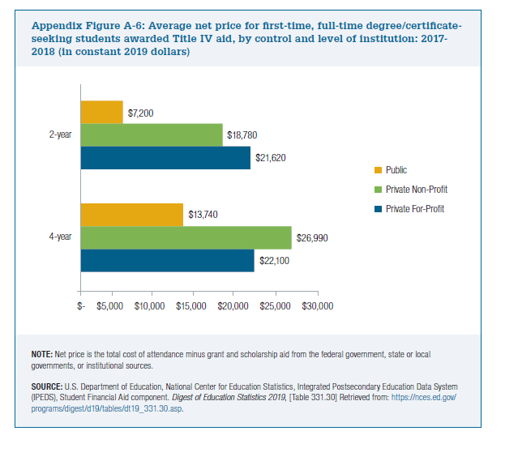
2017-18 | Private For-Profit | Private Non-Profit | Public
4-year | $22,100 | $26,990 | $13,740
2-year | $21,620 | $18,780 | $7,200

