2021 Appendix Fig A-5 Chart
 | Defense Spending/Budget | Pell Spending/Budget
1974 | 463.0 | $0.3
1975 | 437.6 | $1.9
1976 | 425.6 | $4.4
1977 | 441.6 | $6.6
1978 | 444.6 | $6.4
1979 | 446.8 | $6.0
1980 | 445.8 | $8.3
1981 | 496.6 | $7.4
1982 | 587.3 | $6.4
1983 | 573.5 | $6.4
1984 | 603.2 | $7.2
1985 | 646.7 | $7.5
1986 | 689.4 | $8.6
1987 | 684.3 | $8.1
1988 | 669.2 | $8.5
1989 | 663.6 | $9.7
1990 | 636.0 | $9.9
1991 | 561.9 | $9.7
1992 | 592.3 | $10.9
1993 | 560.4 | $11.3
1994 | 531.5 | $10.0
1995 | 496.3 | $9.5
1996 | 469.2 | $9.2
1997 | 467.0 | $9.4
1998 | 456.4 | $10.1
1999 | 457.4 | $11.4
2000 | 475.2 | $11.1
2001 | 479.0 | $11.8
2002 | 537.8 | $14.4
2003 | 612.1 | $16.6
2004 | 667.2 | $17.7
2005 | 698.0 | $17.8
2006 | 708.0 | $16.7
2007 | 727.0 | $16.2
2008 | 779.9 | $18.1
2009 | 841.2 | $21.3
2010 | 865.3 | $35.7
2011 | 855.0 | $42.0
2012 | 807.5 | $38.1
2013 | 745.4 | $35.9
2014 | 699.6 | $34.6
2015 | 683.7 | $33.0
2016 | 681.6 | $30.7
2017 | 674.6 | $28.7
2018 | 694.9 | $30.1
2019 | 734.3 | $28.8
2020 | 768.7 | $27.8

2021 Appen Fig A-5 Data&Ima
Appendix Figure A-5: Annual budgets/spending for Pell Grants and for Military Spending/Department of Defense: 1994 to 2020 (in 2020 billions of constant dollars)

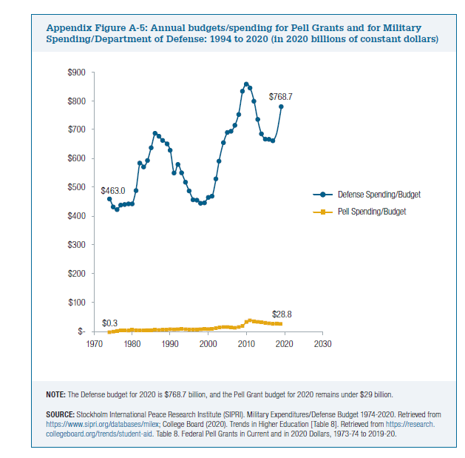
 | CPI | Defense Spending/Budget | Current Dollars (000,000,000) | Pell Spending/Budget | Ratio of Defense to Pell
1974 | 49.3 | 89,278,920,340 | 463.0 | $0.3 | 1679.77
1975 | 53.8 | 92,080,928,754 | 437.6 | $1.9 | 235.10
1976 | 56.9 | 94,715,251,080 | 425.6 | $4.4 | 97.08
1977 | 60.6 | 104,665,218,972 | 441.6 | $6.6 | 66.60
1978 | 65.2 | 113,382,063,749 | 444.6 | $6.4 | 69.34
1979 | 72.6 | 126,879,927,117 | 446.8 | $6.0 | 74.25
1980 | 82.4 | 143,688,354,873 | 445.8 | $8.3 | 53.88
1981 | 90.9 | 176,558,875,271 | 496.6 | $7.4 | 67.05
1982 | 96.5 | 221,673,542,584 | 587.3 | $6.4 | 91.17
1983 | 99.6 | 223,427,165,006 | 573.5 | $6.4 | 90.04
1984 | 103.9 | 245,149,168,289 | 603.2 | $7.2 | 83.97
1985 | 107.6 | 272,163,229,313 | 646.7 | $7.5 | 85.94
1986 | 109.6 | 295,546,223,804 | 689.4 | $8.6 | 80.52
1987 | 113.6 | 304,086,648,683 | 684.3 | $8.1 | 84.41
1988 | 118.3 | 309,661,269,301 | 669.2 | $8.5 | 79.06
1989 | 124 | 321,866,558,808 | 663.6 | $9.7 | 68.48
1990 | 130.7 | 325,129,313,986 | 636.0 | $9.9 | 64.54
1991 | 136.2 | 299,372,779,115 | 561.9 | $9.7 | 57.87
1992 | 140.3 | 325,033,735,955 | 592.3 | $10.9 | 54.28
1993 | 144.5 | 316,719,443,747 | 560.4 | $11.3 | 49.69
1994 | 148.2 | 308,084,000,000 | 531.5 | $10.0 | 52.90
1995 | 152.4 | 295,853,097,725 | 496.3 | $9.5 | 52.01
1996 | 156.9 | 287,960,668,679 | 469.2 | $9.2 | 50.97
1997 | 160.5 | 293,167,825,791 | 467.0 | $9.4 | 49.44
1998 | 163 | 290,996,055,088 | 456.4 | $10.1 | 45.10
1999 | 166.6 | 298,094,891,322 | 457.4 | $11.4 | 40.23
2000 | 172.2 | 320,086,324,211 | 475.2 | $11.1 | 42.83
2001 | 177.1 | 331,805,610,572 | 479.0 | $11.8 | 40.55
2002 | 179.9 | 378,463,138,754 | 537.8 | $14.4 | 37.30
2003 | 184 | 440,532,069,586 | 612.1 | $16.6 | 36.91
2004 | 188.9 | 492,999,376,159 | 667.2 | $17.7 | 37.63
2005 | 195.3 | 533,203,000,000 | 698.0 | $17.8 | 39.18
2006 | 201.6 | 558,335,000,000 | 708.0 | $16.7 | 42.48
2007 | 207.342 | 589,586,000,000 | 727.0 | $16.2 | 44.99
2008 | 215.303 | 656,756,000,000 | 779.9 | $18.1 | 43.14
2009 | 214.537 | 705,917,000,000 | 841.2 | $21.3 | 39.43
2010 | 218.056 | 738,005,000,000 | 865.3 | $35.7 | 24.21
2011 | 224.939 | 752,288,000,000 | 855.0 | $42.0 | 20.36
2012 | 229.594 | 725,205,000,000 | 807.5 | $38.1 | 21.18
2013 | 232.957 | 679,229,000,000 | 745.4 | $35.9 | 20.76
2014 | 236.736 | 647,789,000,000 | 699.6 | $34.6 | 20.23
2015 | 237.017 | 633,829,639,000 | 683.7 | $33.0 | 20.73
2016 | 240.007 | 639,856,443,000 | 681.6 | $30.7 | 22.20
2017 | 245.12 | 646,752,927,000 | 674.6 | $28.7 | 23.53
2018 | 251.107 | 682,491,400,000 | 694.9 | $30.1 | 23.12
2019 | 255.657 | 734,344,100,000 | 734.3 | $28.8 | 25.54
2020 | 258.811 | 778,232,200,000 | 768.7 | $27.8 | 27.63

CPI: https://www.bls.gov/cpi/tables/supplemental-files/historical-cpi-u-202012.pdf
https://research.collegeboard.org/trends/student-aid
https://www.sipri.org/databases/milex

