2021 Appen Fig A-2 Chart
 | Third | Second | First (Lowest Quartile)
1987 | $115,212 | $73,193 | $41,743
1988 | $121,180 | $76,669 | $46,149
1989 | $119,598 | $73,929 | $44,158
1990 | $118,321 | $73,264 | $42,941
1991 | $116,480 | $73,343 | $44,495
1992 | $117,039 | $73,297 | $43,423
1993 | $115,047 | $71,953 | $42,301
1994 | $120,309 | $76,508 | $44,658
1995 | $122,138 | $78,577 | $45,051
1996 | $120,421 | $79,257 | $46,064
1997 |  | $82,056 | $47,062
1998 |  | $85,153 | $49,226
1999 | $124,296 | $87,776 | $50,800
2000 | $128,361 | $88,721 | $50,471
2001 |  | $94,168 | $50,759
2002 |  | $87,278 | $50,414
2003 | $132,430 | $87,267 | $50,025
2004 | $131,008 | $85,606 | $49,079
2005 | $129,174 | $84,129 | $47,950
2006 | $134,482 | $85,291 | $49,141
2007 | $143,443 | $85,195 | $48,824
2008 | $127,365 | $79,365 | $45,637
2009 | $129,343 | $78,011 | $43,097
2010 | $116,187 | $72,386 | $38,837
2011 | $119,329 | $71,911 | $37,915
2012 | $121,205 | $70,949 | $38,107
2013 | $124,013 | $71,816 | $37,721
2014 | $125,895 | $70,799 | $37,761
2015 | $129,239 | $73,912 | $40,660
2016 | $135,598 | $78,928 | $41,867
2017 | $139,022 | $78,120 | $43,862
2018 | $135,105 | $78,215 | $43,843
2019 | $138,747 | $81,851 | $45,360

2021 Appen Fig A-2 Data&Image
Appendix Figure A-2: Upper limits for the first (lowest), the second, and the third income quartiles for families of dependent 18- to 24-year-olds: 1987 to 2019 (in constant 2019 dollars)

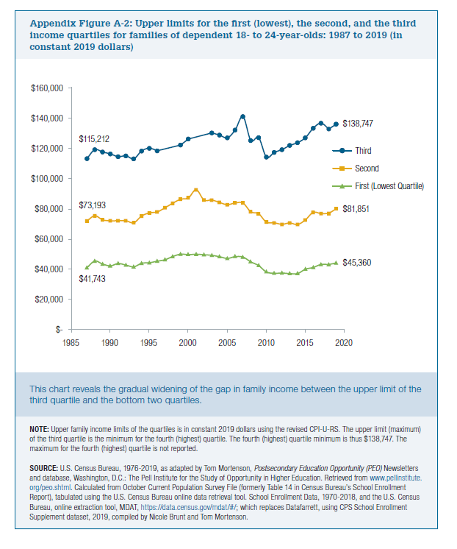

Year | Third | Second | First (Lowest Quartile)
1987 | $115,212 | $73,193 | $41,743
1988 | $121,180 | $76,669 | $46,149
1989 | $119,598 | $73,929 | $44,158
1990 | $118,321 | $73,264 | $42,941
1991 | $116,480 | $73,343 | $44,495
1992 | $117,039 | $73,297 | $43,423
1993 | $115,047 | $71,953 | $42,301
1994 | $120,309 | $76,508 | $44,658
1995 | $122,138 | $78,577 | $45,051
1996 | $120,421 | $79,257 | $46,064
1997 |  | $82,056 | $47,062
1998 |  | $85,153 | $49,226
1999 | $124,296 | $87,776 | $50,800
2000 | $128,361 | $88,721 | $50,471
2001 |  | $94,168 | $50,759
2002 |  | $87,278 | $50,414
2003 | $132,430 | $87,267 | $50,025
2004 | $131,008 | $85,606 | $49,079
2005 | $129,174 | $84,129 | $47,950
2006 | $134,482 | $85,291 | $49,141
2007 | $143,443 | $85,195 | $48,824
2008 | $127,365 | $79,365 | $45,637
2009 | $129,343 | $78,011 | $43,097
2010 | $116,187 | $72,386 | $38,837
2011 | $119,329 | $71,911 | $37,915
2012 | $121,205 | $70,949 | $38,107
2013 | $124,013 | $71,816 | $37,721
2014 | $125,895 | $70,799 | $37,761
2015 | $129,239 | $73,912 | $40,660
2016 | $135,598 | $78,928 | $41,867
2017 | $139,022 | $78,120 | $43,862
2018 | $135,105 | $78,215 | $43,843
2019 | $138,747 | $81,851 | $45,360

