2021 App Fig A-15
Appendix Figure A-15: Historical characteristics of Federal TRIO programs, Veterans Upward Bound (VUB): 2004-2021
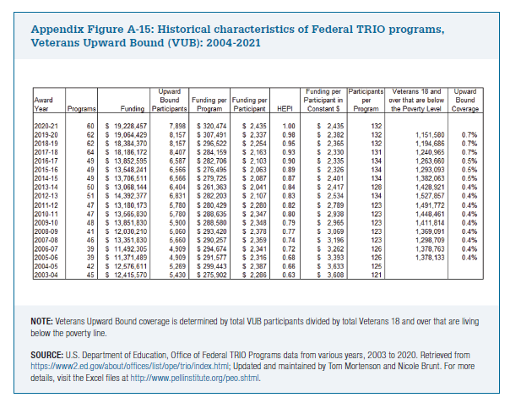
Award Year | Programs | Funding | Upward Bound Participants | Funding per Program | Funding per Participant | HEPI | Funding per Participant in Constant $ | Participants per Program | Veterans 18 and over that are below the Poverty Level | Upward Bound Coverage

2020-21 | 60 | $19,228,457 | 7,898 | $320,474 | $2,435 | 1.00 | $2,435 | 132
2019-20 | 62 | $19,064,429 | 8,157 | $307,491 | $2,337 | 0.98 | $2,382 | 132 | 1,151,580 | 0.7%
2018-19 | 62 | $18,384,370 | 8,157 | $296,522 | $2,254 | 0.95 | $2,365 | 132 | 1,194,686 | 0.7%
2017-18 | 64 | $18,186,172 | 8,407 | $284,159 | $2,163 | 0.93 | $2,330 | 131 | 1,240,965 | 0.7%
2016-17 | 49 | $13,852,595 | 6,587 | $282,706 | $2,103 | 0.90 | $2,335 | 134 | 1,263,660 | 0.5%
2015-16 | 49 | $13,548,241 | 6,566 | $276,495 | $2,063 | 0.89 | $2,326 | 134 | 1,293,093 | 0.5%
2014-15 | 49 | $13,706,511 | 6,566 | $279,725 | $2,087 | 0.87 | $2,401 | 134 | 1,382,063 | 0.5%
2013-14 | 50 | $13,068,144 | 6,404 | $261,363 | $2,041 | 0.84 | $2,417 | 128 | 1,428,921 | 0.4%
2012-13 | 51 | $14,392,377 | 6,831 | $282,203 | $2,107 | 0.83 | $2,534 | 134 | 1,527,857 | 0.4%
2011-12 | 47 | $13,180,173 | 5,780 | $280,429 | $2,280 | 0.82 | $2,789 | 123 | 1,491,772 | 0.4%
2010-11 | 47 | $13,565,830 | 5,780 | $288,635 | $2,347 | 0.80 | $2,938 | 123 | 1,448,461 | 0.4%
2009-10 | 48 | $13,851,830 | 5,900 | $288,580 | $2,348 | 0.79 | $2,965 | 123 | 1,411,814 | 0.4%
2008-09 | 41 | $12,030,210 | 5,060 | $293,420 | $2,378 | 0.77 | $3,069 | 123 | 1,369,091 | 0.4%
2007-08 | 46 | $13,351,830 | 5,660 | $290,257 | $2,359 | 0.74 | $3,196 | 123 | 1,298,709 | 0.4%
2006-07 | 39 | $11,492,305 | 4,909 | $294,674 | $2,341 | 0.72 | $3,262 | 126 | 1,378,763 | 0.4%
2005-06 | 39 | $11,371,489 | 4,909 | $291,577 | $2,316 | 0.68 | $3,393 | 126 | 1,378,133 | 0.4%
2004-05 | 42 | $12,576,611 | 5,269 | $299,443 | $2,387 | 0.66 | $3,633 | 125
2003-04 | 45 | $12,415,570 | 5,430 | $275,902 | $2,286 | 0.63 | $3,608 | 121

