2021 App Fig A-14
Appendix Figure A-14: Historical characteristics of Federal TRIO programs, Upward Bound Math-Science Program: 1997-2020

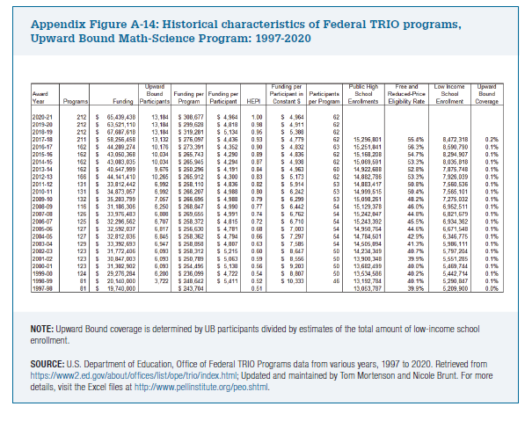
Award Year | Programs | Funding | Upward Bound Participants | Funding per Program | Funding per Participant | HEPI | Funding per Participant in Constant $ | Participants per Program | Public High School Enrollments | Free and Reduced-Price Eligibility Rate | Low Income School Enrollment | Upward Bound Coverage

2020-21 | 212 | $65,439,438 | 13,184 | $308,677 | $4,964 | 1.00 | $4,964 | 62
2019-20 | 212 | $63,521,110 | 13,184 | $299,628 | $4,818 | 0.98 | $4,911 | 62
2018-19 | 212 | $67,687,618 | 13,184 | $319,281 | $5,134 | 0.95 | $5,388 | 62
2017-18 | 211 | $58,256,458 | 13,132 | $276,097 | $4,436 | 0.93 | $4,779 | 62 | 15,296,801 | 55.4% | 8,472,318 | 0.2%
2016-17 | 162 | $44,289,274 | 10,176 | $273,391 | $4,352 | 0.90 | $4,832 | 63 | 15,251,841 | 56.3% | 8,590,790 | 0.1%
2015-16 | 162 | $43,050,368 | 10,034 | $265,743 | $4,290 | 0.89 | $4,836 | 62 | 15,168,208 | 54.7% | 8,294,907 | 0.1%
2014-15 | 162 | $43,083,035 | 10,034 | $265,945 | $4,294 | 0.87 | $4,938 | 62 | 15,069,591 | 53.3% | 8,035,818 | 0.1%
2013-14 | 162 | $40,547,999 | 9,676 | $250,296 | $4,191 | 0.84 | $4,963 | 60 | 14,922,688 | 52.8% | 7,875,748 | 0.1%
2012-13 | 166 | $44,141,410 | 10,265 | $265,912 | $4,300 | 0.83 | $5,173 | 62 | 14,882,786 | 53.3% | 7,926,039 | 0.1%
2011-12 | 131 | $33,812,442 | 6,992 | $258,110 | $4,836 | 0.82 | $5,914 | 53 | 14,883,417 | 50.8% | 7,560,536 | 0.1%
2010-11 | 131 | $34,873,057 | 6,992 | $266,207 | $4,988 | 0.80 | $6,242 | 53 | 14,999,515 | 50.4% | 7,565,101 | 0.1%
2009-10 | 132 | $35,203,799 | 7,057 | $266,695 | $4,988 | 0.79 | $6,299 | 53 | 15,098,261 | 48.2% | 7,275,032 | 0.1%
2008-09 | 116 | $31,186,306 | 6,250 | $268,847 | $4,990 | 0.77 | $6,442 | 54 | 15,129,378 | 46.0% | 6,952,511 | 0.1%
2007-08 | 126 | $33,976,483 | 6,808 | $269,655 | $4,991 | 0.74 | $6,762 | 54 | 15,242,047 | 44.8% | 6,821,679 | 0.1%
2006-07 | 125 | $32,296,562 | 6,707 | $258,372 | $4,815 | 0.72 | $6,710 | 54 | 15,243,392 | 45.5% | 6,934,362 | 0.1%
2005-06 | 127 | $32,592,037 | 6,817 | $256,630 | $4,781 | 0.68 | $7,003 | 54 | 14,950,764 | 44.6% | 6,671,548 | 0.1%
2004-05 | 127 | $32,812,036 | 6,845 | $258,362 | $4,794 | 0.66 | $7,297 | 54 | 14,784,501 | 42.9% | 6,346,775 | 0.1%
2003-04 | 129 | $33,392,693 | 6,947 | $258,858 | $4,807 | 0.63 | $7,585 | 54 | 14,505,094 | 41.3% | 5,986,111 | 0.1%
2002-03 | 123 | $31,772,406 | 6,093 | $258,312 | $5,215 | 0.60 | $8,647 | 50 | 14,234,349 | 40.7% | 5,797,204 | 0.1%
2001-02 | 123 | $30,847,003 | 6,093 | $250,789 | $5,063 | 0.59 | $8,556 | 50 | 13,900,348 | 39.9% | 5,551,285 | 0.1%
2000-01 | 123 | $31,302,902 | 6,093 | $254,495 | $5,138 | 0.56 | $9,203 | 50 | 13,682,499 | 40.0% | 5,469,744 | 0.1%
1999-00 | 124 | $29,276,284 | 6,200 | $236,099 | $4,722 | 0.54 | $8,807 | 50 | 13,534,586 | 40.2% | 5,442,714 | 0.1%
1998-99 | 81 | $20,140,000 | 3,722 | $248,642 | $5,411 | 0.52 | $10,333 | 46 | 13,192,784 | 40.1% | 5,290,847 | 0.1%
1997-98 | 81 | $19,740,000 |  | $243,704 |  | 0.51 |  |  | 13,053,787 | 39.9% | 5,209,900 | 0.0%

