2021 App Fig A-13
Appendix Figure A-13: Historical characteristics of Federal TRIO programs, Upward Bound: 1997-2020
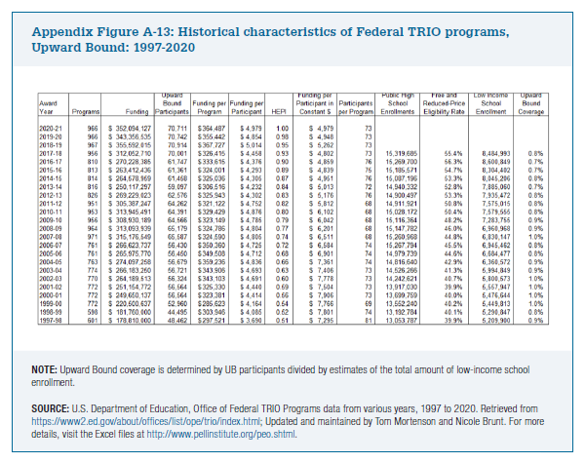
Award Year | Programs | Funding | Upward Bound Participants | Funding per Program | Funding per Participant | HEPI | Funding per Participant in Constant $ | Participants per Program | Public High School Enrollments | Free and Reduced-Price Eligibility Rate | Low Income School Enrollment | Upward Bound Coverage

2020-21 | 966 | $352,094,127 | 70,711 | $364,487 | $4,979 | 1.00 | $4,979 | 73
2019-20 | 966 | $343,356,535 | 70,742 | $355,442 | $4,854 | 0.98 | $4,948 | 73
2018-19 | 967 | $355,592,015 | 70,914 | $367,727 | $5,014 | 0.95 | $5,262 | 73
2017-18 | 956 | $312,052,710 | 70,001 | $326,415 | $4,458 | 0.93 | $4,802 | 73 | 15,319,685 | 55.4% | 8,484,993 | 0.8%
2016-17 | 810 | $270,228,385 | 61,747 | $333,615 | $4,376 | 0.90 | $4,859 | 76 | 15,269,700 | 56.3% | 8,600,849 | 0.7%
2015-16 | 813 | $263,412,436 | 61,361 | $324,001 | $4,293 | 0.89 | $4,839 | 75 | 15,185,571 | 54.7% | 8,304,402 | 0.7%
2014-15 | 814 | $264,578,959 | 61,458 | $325,036 | $4,305 | 0.87 | $4,951 | 76 | 15,087,196 | 53.3% | 8,045,206 | 0.8%
2013-14 | 816 | $250,117,297 | 59,097 | $306,516 | $4,232 | 0.84 | $5,013 | 72 | 14,940,332 | 52.8% | 7,885,060 | 0.7%
2012-13 | 826 | $269,229,023 | 62,576 | $325,943 | $4,302 | 0.83 | $5,176 | 76 | 14,900,497 | 53.3% | 7,935,472 | 0.8%
2011-12 | 951 | $305,387,247 | 64,262 | $321,122 | $4,752 | 0.82 | $5,812 | 68 | 14,911,921 | 50.8% | 7,575,015 | 0.8%
2010-11 | 953 | $313,945,491 | 64,391 | $329,429 | $4,876 | 0.80 | $6,102 | 68 | 15,028,172 | 50.4% | 7,579,555 | 0.8%
2009-10 | 956 | $308,930,189 | 64,566 | $323,149 | $4,785 | 0.79 | $6,042 | 68 | 15,116,364 | 48.2% | 7,283,755 | 0.9%
2008-09 | 964 | $313,093,939 | 65,179 | $324,786 | $4,804 | 0.77 | $6,201 | 68 | 15,147,782 | 46.0% | 6,960,968 | 0.9%
2007-08 | 971 | $315,176,549 | 65,587 | $324,590 | $4,805 | 0.74 | $6,511 | 68 | 15,260,968 | 44.8% | 6,830,147 | 1.0%
2006-07 | 761 | $266,623,737 | 56,430 | $350,360 | $4,725 | 0.72 | $6,584 | 74 | 15,267,794 | 45.5% | 6,945,462 | 0.8%
2005-06 | 761 | $265,975,770 | 56,450 | $349,508 | $4,712 | 0.68 | $6,901 | 74 | 14,979,739 | 44.6% | 6,684,477 | 0.8%
2004-05 | 763 | $274,097,258 | 56,679 | $359,236 | $4,836 | 0.66 | $7,361 | 74 | 14,816,640 | 42.9% | 6,360,572 | 0.9%
2003-04 | 774 | $266,183,250 | 56,721 | $343,906 | $4,693 | 0.63 | $7,406 | 73 | 14,526,266 | 41.3% | 5,994,849 | 0.9%
2002-03 | 770 | $264,189,513 | 56,324 | $343,103 | $4,691 | 0.60 | $7,778 | 73 | 14,242,621 | 40.7% | 5,800,573 | 1.0%
2001-02 | 772 | $251,154,772 | 56,564 | $325,330 | $4,440 | 0.59 | $7,504 | 73 | 13,917,030 | 39.9% | 5,557,947 | 1.0%
2000-01 | 772 | $249,650,137 | 56,564 | $323,381 | $4,414 | 0.56 | $7,906 | 73 | 13,699,759 | 40.0% | 5,476,644 | 1.0%
1999-00 | 772 | $220,500,637 | 52,960 | $285,623 | $4,164 | 0.54 | $7,766 | 69 | 13,552,240 | 40.2% | 5,449,813 | 1.0%
1998-99 | 598 | $181,760,000 | 44,495 | $303,946 | $4,085 | 0.52 | $7,801 | 74 | 13,192,784 | 40.1% | 5,290,847 | 0.8%
1997-98 | 601 | $178,810,000 | 48,462 | $297,521 | $3,690 | 0.51 | $7,295 | 81 | 13,053,787 | 39.9% | 5,209,900 | 0.9%

