2021 App Fig A-12
Appendix Figure A-12: Historical characteristics of Federal TRIO programs, Talent Search (TS): 1997-2020

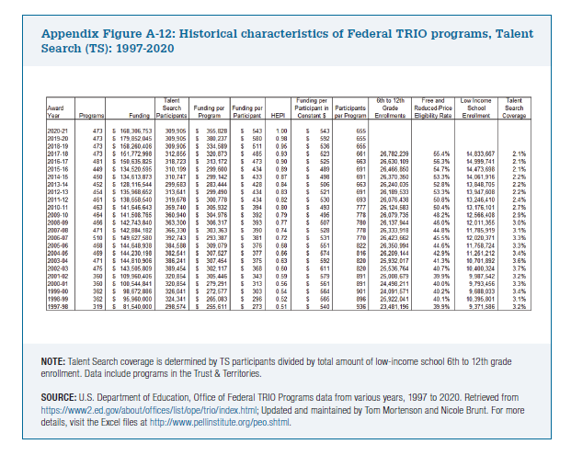
Award Year | Programs |  | Funding | Talent Search Participants | Funding per Program | Funding per Participant | HEPI | Funding per Participant in Constant $ | Participants per Program | 6th to 12th Grade Enrollments | Free and Reduced-Price Eligibility Rate | Low Income School Enrollment | Talent Search Coverage

2020-21 | 473 |  | $168,306,753 | 309,905 | $355,828 | $543 | 1.00 | $543 | 655
2019-20 | 473 | 0 | $179,852,045 | 309,905 | $380,237 | $580 | 0.98 | $592 | 655
2018-19 | 473 |  | $158,260,406 | 309,905 | $334,589 | $511 | 0.95 | $536 | 655
2017-18 | 473 |  | $151,772,998 | 312,855 | $320,873 | $485 | 0.93 | $523 | 661 | 26,782,239 | 55.4% | 14,833,667 | 2.1%
2016-17 | 481 |  | $150,635,825 | 318,723 | $313,172 | $473 | 0.90 | $525 | 663 | 26,630,109 | 56.3% | 14,999,741 | 2.1%
2015-16 | 449 |  | $134,520,595 | 310,199 | $299,600 | $434 | 0.89 | $489 | 691 | 26,466,850 | 54.7% | 14,473,698 | 2.1%
2014-15 | 450 |  | $134,613,873 | 310,747 | $299,142 | $433 | 0.87 | $498 | 691 | 26,370,350 | 53.3% | 14,061,916 | 2.2%
2013-14 | 452 |  | $128,116,544 | 299,683 | $283,444 | $428 | 0.84 | $506 | 663 | 26,240,035 | 52.8% | 13,848,705 | 2.2%
2012-13 | 454 |  | $135,968,652 | 313,641 | $299,490 | $434 | 0.83 | $521 | 691 | 26,189,533 | 53.3% | 13,947,608 | 2.2%
2011-12 | 461 |  | $138,658,540 | 319,678 | $300,778 | $434 | 0.82 | $530 | 693 | 26,076,438 | 50.8% | 13,246,410 | 2.4%
2010-11 | 463 |  | $141,646,643 | 359,740 | $305,932 | $394 | 0.80 | $493 | 777 | 26,124,583 | 50.4% | 13,176,101 | 2.7%
2009-10 | 464 |  | $141,508,765 | 360,940 | $304,976 | $392 | 0.79 | $495 | 778 | 26,079,735 | 48.2% | 12,566,408 | 2.9%
2008-09 | 466 |  | $142,743,840 | 363,300 | $306,317 | $393 | 0.77 | $507 | 780 | 26,137,944 | 46.0% | 12,011,355 | 3.0%
2007-08 | 471 |  | $142,884,182 | 366,330 | $303,363 | $390 | 0.74 | $528 | 778 | 26,333,918 | 44.8% | 11,785,919 | 3.1%
2006-07 | 510 |  | $149,627,580 | 392,743 | $293,387 | $381 | 0.72 | $531 | 770 | 26,423,662 | 45.5% | 12,020,371 | 3.3%
2005-06 | 468 |  | $144,648,938 | 384,588 | $309,079 | $376 | 0.68 | $551 | 822 | 26,350,994 | 44.6% | 11,758,724 | 3.3%
2004-05 | 469 |  | $144,230,198 | 382,541 | $307,527 | $377 | 0.66 | $574 | 816 | 26,209,144 | 42.9% | 11,251,212 | 3.4%
2003-04 | 471 |  | $144,810,906 | 386,241 | $307,454 | $375 | 0.63 | $592 | 820 | 25,932,017 | 41.3% | 10,701,892 | 3.6%
2002-03 | 475 |  | $143,505,809 | 389,454 | $302,117 | $368 | 0.60 | $611 | 820 | 25,536,764 | 40.7% | 10,400,324 | 3.7%
2001-02 | 360 |  | $109,960,406 | 320,854 | $305,446 | $343 | 0.59 | $579 | 891 | 25,008,679 | 39.9% | 9,987,542 | 3.2%
2000-01 | 360 |  | $100,544,841 | 320,854 | $279,291 | $313 | 0.56 | $561 | 891 | 24,498,211 | 40.0% | 9,793,456 | 3.3%
1999-00 | 362 |  | $98,672,886 | 326,041 | $272,577 | $303 | 0.54 | $564 | 901 | 24,091,571 | 40.2% | 9,688,033 | 3.4%
1998-99 | 362 |  | $95,960,000 | 324,341 | $265,083 | $296 | 0.52 | $565 | 896 | 25,922,041 | 40.1% | 10,395,801 | 3.1%
1997-98 | 319 |  | $81,540,000 | 298,574 | $255,611 | $273 | 0.51 | $540 | 936 | 23,481,196 | 39.9% | 9,371,586 | 3.2%

