2021 App Fig A-11
Appendix Figure A-11: Historical characteristics of Federal TRIO programs, Student Support Services (SSS): 1997-2020

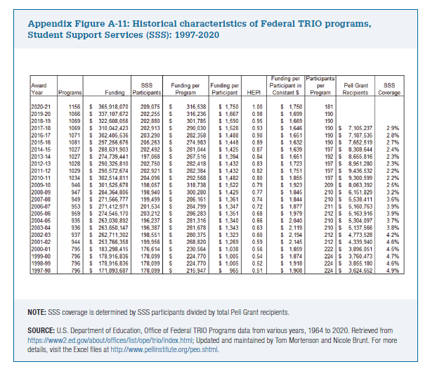
Award Year | Programs | Funding | SSS Participants | Funding per Program | Funding per Participant | HEPI | Funding per Participant in Constant $ | Participants per Program | Pell Grant Recipients | SSS Coverage

2020-21 | 1156 | $365,918,070 | 209,075 | $316,538 | $1,750 | 1.00 | $1,750 | 181
2019-20 | 1066 | $337,107,672 | 202,255 | $316,236 | $1,667 | 0.98 | $1,699 | 190
2018-19 | 1069 | $322,608,056 | 202,880 | $301,785 | $1,590 | 0.95 | $1,669 | 190
2017-18 | 1069 | $310,042,423 | 202,913 | $290,030 | $1,528 | 0.93 | $1,646 | 190 | $7,105,237 | 2.9%
2016-17 | 1071 | $302,405,536 | 203,290 | $282,358 | $1,488 | 0.90 | $1,651 | 190 | $7,187,535 | 2.8%
2015-16 | 1081 | $297,256,676 | 205,263 | $274,983 | $1,448 | 0.89 | $1,632 | 190 | $7,652,519 | 2.7%
2014-15 | 1027 | $288,631,903 | 202,492 | $281,044 | $1,425 | 0.87 | $1,639 | 197 | $8,308,644 | 2.4%
2013-14 | 1027 | $274,739,441 | 197,068 | $267,516 | $1,394 | 0.84 | $1,651 | 192 | $8,655,816 | 2.3%
2012-13 | 1028 | $290,325,810 | 202,750 | $282,418 | $1,432 | 0.83 | $1,723 | 197 | $8,951,280 | 2.3%
2011-12 | 1029 | $290,572,674 | 202,921 | $282,384 | $1,432 | 0.82 | $1,751 | 197 | $9,436,532 | 2.2%
2010-11 | 1034 | $302,514,811 | 204,096 | $292,568 | $1,482 | 0.80 | $1,855 | 197 | $9,300,599 | 2.2%
2009-10 | 946 | $301,525,678 | 198,057 | $318,738 | $1,522 | 0.79 | $1,923 | 209 | $8,063,392 | 2.5%
2008-09 | 947 | $284,364,806 | 198,940 | $300,280 | $1,429 | 0.77 | $1,845 | 210 | $6,151,829 | 3.2%
2007-08 | 949 | $271,566,777 | 199,499 | $286,161 | $1,361 | 0.74 | $1,844 | 210 | $5,538,411 | 3.6%
2006-07 | 953 | $271,412,971 | 201,534 | $284,799 | $1,347 | 0.72 | $1,877 | 211 | $5,160,763 | 3.9%
2005-06 | 959 | $274,545,170 | 203,212 | $286,283 | $1,351 | 0.68 | $1,979 | 212 | $5,163,916 | 3.9%
2004-05 | 935 | $263,030,892 | 196,237 | $281,316 | $1,340 | 0.66 | $2,040 | 210 | $5,304,097 | 3.7%
2003-04 | 936 | $263,650,147 | 196,387 | $281,678 | $1,343 | 0.63 | $2,119 | 210 | $5,137,566 | 3.8%
2002-03 | 937 | $262,711,302 | 198,551 | $280,375 | $1,323 | 0.60 | $2,194 | 212 | $4,773,528 | 4.2%
2001-02 | 944 | $253,766,358 | 199,956 | $268,820 | $1,269 | 0.59 | $2,145 | 212 | $4,339,940 | 4.6%
2000-01 | 795 | $183,298,415 | 176,614 | $230,564 | $1,038 | 0.56 | $1,859 | 222 | $3,896,051 | 4.5%
1999-00 | 796 | $178,916,836 | 178,099 | $224,770 | $1,005 | 0.54 | $1,874 | 224 | $3,760,473 | 4.7%
1998-99 | 796 | $178,916,836 | 178,099 | $224,770 | $1,005 | 0.52 | $1,918 | 224 | $3,855,180 | 4.6%
1997-98 | 796 | $171,893,687 | 178,099 | $215,947 | $965 | 0.51 | $1,908 | 224 | $3,624,652 | 4.9%

