2021 App Figure A-10
Appendix Figure A-10: Historical characteristics of Federal TRIO programs, McNair Postbaccalaureate Achievement Program (McNair): 1990-2020

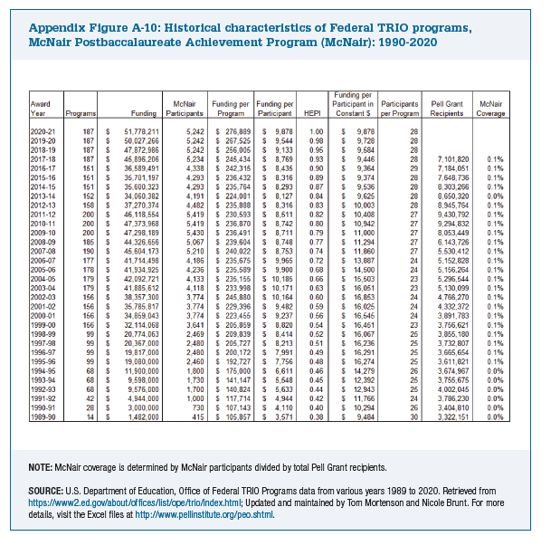
Award Year | Programs | Funding | McNair Participants | Funding per Program | Funding per Participant | HEPI | Funding per Participant in Constant $ | Participants per Program | Pell Grant Recipients | McNair Coverage

2020-21 | 187 | $51,778,211 | 5,242 | $276,889 | $9,878 | 1.00 | $9,878 | 28
2019-20 | 187 | $50,027,266 | 5,242 | $267,525 | $9,544 | 0.98 | $9,728 | 28
2018-19 | 187 | $47,872,986 | 5,242 | $256,005 | $9,133 | 0.95 | $9,584 | 28
2017-18 | 187 | $45,896,206 | 5,234 | $245,434 | $8,769 | 0.93 | $9,446 | 28 | 7,101,820 | 0.1%
2016-17 | 151 | $36,589,491 | 4,338 | $242,315 | $8,435 | 0.90 | $9,364 | 29 | 7,184,051 | 0.1%
2015-16 | 151 | $35,701,197 | 4,293 | $236,432 | $8,316 | 0.89 | $9,374 | 28 | 7,648,736 | 0.1%
2014-15 | 151 | $35,600,323 | 4,293 | $235,764 | $8,293 | 0.87 | $9,536 | 28 | 8,303,266 | 0.1%
2013-14 | 152 | $34,060,382 | 4,191 | $224,081 | $8,127 | 0.84 | $9,625 | 28 | 8,650,320 | 0.0%
2012-13 | 158 | $37,270,374 | 4,482 | $235,888 | $8,316 | 0.83 | $10,003 | 28 | 8,945,764 | 0.1%
2011-12 | 200 | $46,118,554 | 5,419 | $230,593 | $8,511 | 0.82 | $10,408 | 27 | 9,430,792 | 0.1%
2010-11 | 200 | $47,373,968 | 5,419 | $236,870 | $8,742 | 0.80 | $10,942 | 27 | 9,294,832 | 0.1%
2009-10 | 200 | $47,298,189 | 5,430 | $236,491 | $8,711 | 0.79 | $11,000 | 27 | 8,053,449 | 0.1%
2008-09 | 185 | $44,326,656 | 5,067 | $239,604 | $8,748 | 0.77 | $11,294 | 27 | 6,143,726 | 0.1%
2007-08 | 190 | $45,604,173 | 5,210 | $240,022 | $8,753 | 0.74 | $11,860 | 27 | 5,530,412 | 0.1%
2006-07 | 177 | $41,714,498 | 4,186 | $235,675 | $9,965 | 0.72 | $13,887 | 24 | 5,152,828 | 0.1%
2005-06 | 178 | $41,934,925 | 4,236 | $235,589 | $9,900 | 0.68 | $14,500 | 24 | 5,156,264 | 0.1%
2004-05 | 179 | $42,092,721 | 4,133 | $235,155 | $10,185 | 0.66 | $15,503 | 23 | 5,296,544 | 0.1%
2003-04 | 179 | $41,885,612 | 4,118 | $233,998 | $10,171 | 0.63 | $16,051 | 23 | 5,130,099 | 0.1%
2002-03 | 156 | $38,357,300 | 3,774 | $245,880 | $10,164 | 0.60 | $16,853 | 24 | 4,766,270 | 0.1%
2001-02 | 156 | $35,785,817 | 3,774 | $229,396 | $9,482 | 0.59 | $16,025 | 24 | 4,332,372 | 0.1%
2000-01 | 156 | $34,859,043 | 3,774 | $223,455 | $9,237 | 0.56 | $16,545 | 24 | 3,891,783 | 0.1%
1999-00 | 156 | $32,114,068 | 3,641 | $205,859 | $8,820 | 0.54 | $16,451 | 23 | 3,756,621 | 0.1%
1998-99 | 99 | $20,774,063 | 2,469 | $209,839 | $8,414 | 0.52 | $16,067 | 25 | 3,855,180 | 0.1%
1997-98 | 99 | $20,367,000 | 2,480 | $205,727 | $8,213 | 0.51 | $16,236 | 25 | 3,732,807 | 0.1%
1996-97 | 99 | $19,817,000 | 2,480 | $200,172 | $7,991 | 0.49 | $16,291 | 25 | 3,665,654 | 0.1%
1995-96 | 99 | $19,080,000 | 2,460 | $192,727 | $7,756 | 0.48 | $16,274 | 25 | 3,611,821 | 0.1%
1994-95 | 68 | $11,900,000 | 1,800 | $175,000 | $6,611 | 0.46 | $14,279 | 26 | 3,674,967 | 0.0%
1993-94 | 68 | $9,598,000 | 1,730 | $141,147 | $5,548 | 0.45 | $12,392 | 25 | 3,755,675 | 0.0%
1992-93 | 68 | $9,576,000 | 1,700 | $140,824 | $5,633 | 0.44 | $12,943 | 25 | 4,002,045 | 0.0%
1991-92 | 42 | $4,944,000 | 1,000 | $117,714 | $4,944 | 0.42 | $11,766 | 24 | 3,786,230 | 0.0%
1990-91 | 28 | $3,000,000 | 730 | $107,143 | $4,110 | 0.40 | $10,294 | 26 | 3,404,810 | 0.0%
1989-90 | 14 | $1,482,000 | 415 | $105,857 | $3,571 | 0.38 | $9,484 | 30 | 3,322,151 | 0.0%

