2021 Appen Fig A-1 Chart
 | Families with Children Under 18 | All Families
1947 |  | $30,431
1948 |  | $29,627
1949 |  | $29,245
1950 |  | $30,854
1951 |  | $31,955
1952 |  | $32,912
1953 |  | $35,650
1954 |  | $34,710
1955 |  | $36,964
1956 |  | $39,380
1957 |  | $39,612
1958 |  | $39,490
1959 |  | $41,708
1960 |  | $42,574
1961 |  | $43,012
1962 |  | $44,229
1963 |  | $45,773
1964 |  | $47,471
1965 |  | $49,514
1966 |  | $52,129
1967 |  | $53,240
1968 |  | $55,745
1969 |  | $58,317
1970 |  | $58,137
1971 |  | $58,056
1972 |  | $60,920
1973 |  | $62,153
1974 |  | $60,493
1975 |  | $59,438
1976 |  | $61,281
1977 |  | $61,693
1978 |  | $63,616
1979 |  | $64,519
1980 |  | $62,275
1981 |  | $60,597
1982 |  | $59,814
1983 |  | $60,171
1984 |  | $62,122
1985 |  | $63,019
1986 |  | $65,783
1987 | 66576 | $66,859
1988 | 65934 | $67,072
1989 | 66792 | $68,299
1990 | 65122 | $67,258
1991 | 64231 | $65,973
1992 | 63645 | $65,508
1993 | 63245 | $64,571
1994 | 64903 | $66,370
1995 | 66871 | $67,865
1996 | 66714 | $68,854
...

2021 Appen Fig A-1 Data & Image
Appendix Figure A-1: Median family income for all families: 1947 to 2019, and for families with children under 18: 1987-2019 (constant 2019 dollars)
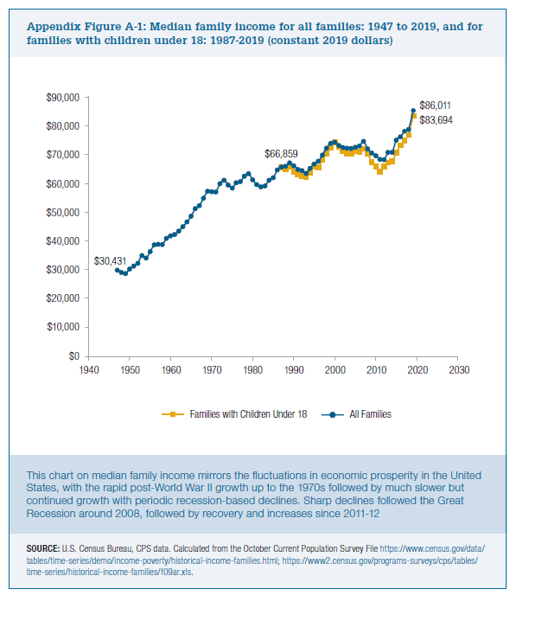
 | Families with Children Under 18 | All Families
1947 |  | $30,431
1948 |  | $29,627
1949 |  | $29,245
1950 |  | $30,854
1951 |  | $31,955
1952 |  | $32,912
1953 |  | $35,650
1954 |  | $34,710
1955 |  | $36,964
1956 |  | $39,380
1957 |  | $39,612
1958 |  | $39,490
1959 |  | $41,708
1960 |  | $42,574
1961 |  | $43,012
1962 |  | $44,229
1963 |  | $45,773
1964 |  | $47,471
1965 |  | $49,514
1966 |  | $52,129
1967 |  | $53,240
1968 |  | $55,745
1969 |  | $58,317
1970 |  | $58,137
1971 |  | $58,056
1972 |  | $60,920
1973 |  | $62,153
1974 |  | $60,493
1975 |  | $59,438
1976 |  | $61,281
1977 |  | $61,693
1978 |  | $63,616
1979 |  | $64,519
1980 |  | $62,275
1981 |  | $60,597
1982 |  | $59,814
1983 |  | $60,171
1984 |  | $62,122
1985 |  | $63,019
1986 |  | $65,783
1987 | $66,576 | $66,859
1988 | $65,934 | $67,072
1989 | $66,792 | $68,299
1990 | $65,122 | $67,258
1991 | $64,231 | $65,973
1992 | $63,645 | $65,508
1993 | $63,245 | $64,571
1994 | $64,903 | $66,370
1995 | $66,871 | $67,865
1996 | $66,714 | $68,854
1997 | $69,381 | $71,011
1998 | $71,436 | $73,472
1999 | $73,579 | $75,163
2000 | $75,476 | $75,526
2001 | $73,809 | $74,413
2002 | $72,466 | $73,647
2003 | $71,541 | $73,405
2004 | $71,675 | $73,348
2005 | $72,408 | $73,744
2006 | $72,183 | $74,241
2007 | $73,157 | $75,838
2008 | $71,485 | $73,230
2009 | $68,428 | $71,774
2010 | $66,965 | $70,783
2011 | $65,207 | $69,461
2012 | $66,915 | $69,433
2013 | $67,740 | $71,970
2014 | $68,930 | $72,027
2015 | $71,822 | $76,290
2016 | $74,436 | $77,459
2017 | $76,293 | $79,404
2018 | $78,086 | $80,071
2019 | $83,694 | $86,011

