2022 Indi 5a(iii) Data&Im
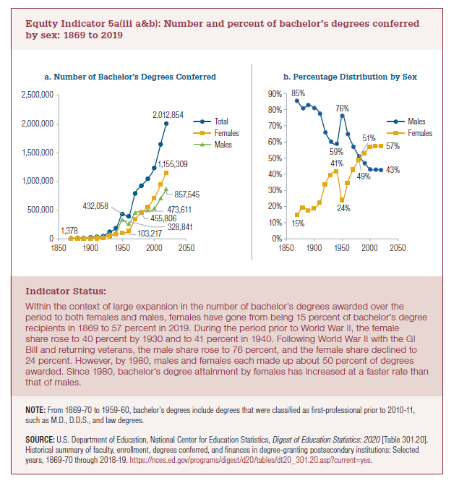
Equity Indicator 5a(iii a&b): Number and percent of bachelor’s degrees conferred by sex: 1869 to 2019

a. Number of Bachelor's Degree Conferred | 1869 | 1880 | 1889 | 1900 | 1910 | 1920 | 1930 | 1940 | 1950 | 1960 | 1970 | 1980 | 1990 | 2000 | 2010 | 2019
Total | 9,371 | 12,896 | 15,539 | 27,410 | 37,199 | 48,622 | 122,484 | 186,500 | 432,058 | 392,440 | 792,316 | 929,417 | 1,051,344 | 1,237,875 | 1,649,919 | 2,012,854
Males | 7,993 | 10,411 | 12,857 | 22,173 | 28,762 | 31,980 | 73,615 | 109,546 | 328,841 | 254,063 | 451,097 | 473,611 | 491,696 | 530,367 | 706,660 | 857,545
Females | 1,378 | 2,485 | 2,682 | 5,237 | 8,437 | 16,642 | 48,869 | 76,954 | 103,217 | 138,377 | 341,219 | 455,806 | 559,648 | 707,508 | 943,259 | 1,155,309

b. Percentage Distribution by Sex | 1869 | 1880 | 1889 | 1900 | 1910 | 1920 | 1930 | 1940 | 1950 | 1960 | 1970 | 1980 | 1990 | 2000 | 2010 | 2019
Males | 85% | 81% | 83% | 81% | 77% | 66% | 60% | 59% | 76% | 65% | 57% | 51% | 47% | 43% | 43% | 43%
Females | 15% | 19% | 17% | 19% | 23% | 34% | 40% | 41% | 24% | 35% | 43% | 49% | 53% | 57% | 57% | 57%

Indi 5a(iii a) Chart
a. Number of Bachelor's Degrees Conferred
 | Total | Males | Females
1869 | 9,371 | 7,993 | 1,378
1880 | 12,896 | 10,411 | 2,485
1889 | 15,539 | 12,857 | 2,682
1900 | 27,410 | 22,173 | 5,237
1910 | 37,199 | 28,762 | 8,437
1920 | 48,622 | 31,980 | 16,642
1930 | 122,484 | 73,615 | 48,869
1940 | 186,500 | 109,546 | 76,954
1950 | 432,058 | 328,841 | 103,217
1960 | 392,440 | 254,063 | 138,377
1970 | 792,316 | 451,097 | 341,219
1980 | 929,417 | 473,611 | 455,806
1990 | 1,051,344 | 491,696 | 559,648
2000 | 1,237,875 | 530,367 | 707,508
2010 | 1,649,919 | 706,660 | 943,259
2019 | 2,012,854 | 857,545 | 1,155,309

2022 Indi 5a(iii b) Chart
 | Males | Females
1869 | 85% | 15%
1880 | 81% | 19%
1889 | 83% | 17%
1900 | 81% | 19%
1910 | 77% | 23%
1920 | 66% | 34%
1930 | 60% | 40%
1940 | 59% | 41%
1950 | 76% | 24%
1960 | 65% | 35%
1970 | 57% | 43%
1980 | 51% | 49%
1990 | 47% | 53%
2000 | 43% | 57%
2010 | 43% | 57%
2019 | 43% | 57%

